Bharathan_2017
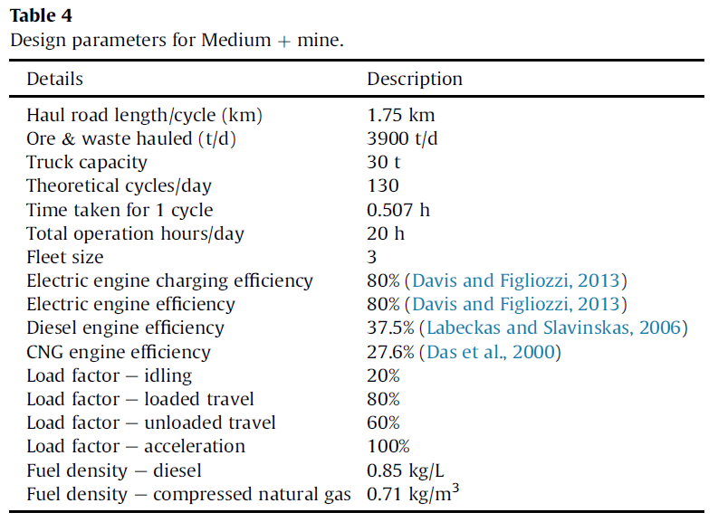
Bharathan et al (2017) - Analysis of energy consumption and carbon footprint from underground haulage with different power sources in typical Canadian mines
https://doi.org/10.1016/j.jclepro.2017.07.233

